Disclaimer
 | Disclaimer: Tools provided on the ASHP COVID-19 Resource Center or to the COVID-19 Connect Community are subject to the professional judgment and interpretation of the practitioner. ASHP provides the information included in this tool to help health care teams prepare for distribution, storage, and administration of the COVID-19 vaccine(s). It is based on the CDC COVID-19 Vaccination Program Interim Playbook for Jurisdiction Operations (https://www.cdc.gov/vaccines/imz-managers/downloads/COVID-19-Vaccination-Program-Interim_Playbook.pdf). Any reader of this information is advised that ASHP is not responsible for the accuracy or currency of the information, for any errors or omissions, and/or for any consequences arising from the use of the information contained in the estimator tools. Any reader is cautioned that ASHP makes no representation, guarantee, or warranty, express or implied, as to the accuracy and appropriateness of the information contained in this tool and will bear no responsibility or liability for the results or consequences of their use.
Visit www.ashp.org/COVID-19/Vaccines for more COVID-19 Vaccine Resources
 | Acknowledgement: ASHP acknowledges pharmacy colleagues at Truman Medical Centers for generously sharing this tool developed as a result of COVID-19 vaccine planning in Missouri.

Overview
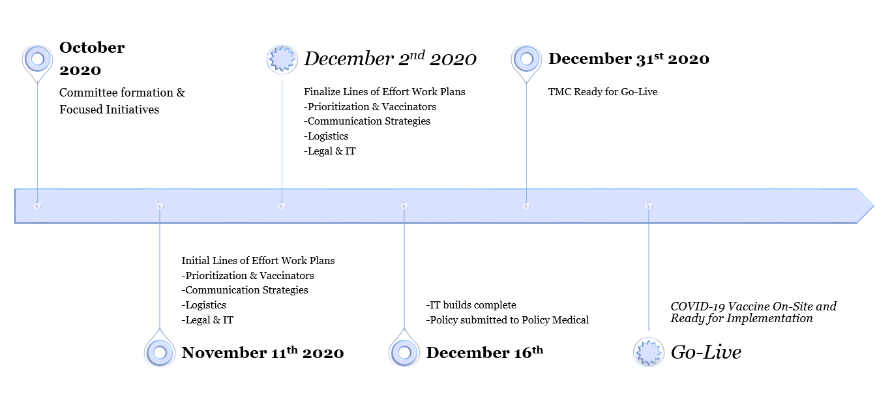

Document Creation: Utilizing the CDC COVID-19 Vaccination Program Interim Playbook, this document was developed to prepare our organzation to receive and administer the COVID-19 vaccine. Additional resources were utilized including the CDC Vaccine Storage and Handling Toolkit, information from weekly CDC Vaccination Update calls, and COVID-19 vaccine informational documents provided by Vizient. The document is intented to provide guidance to an organization through every step of the process from allocation all the way through post-administration reporting requirements.
Next Steps: Next steps include development of a phased plan based on which vaccine is available, amount of vaccine available, and number of area organizations providing the vaccine. Our organization will be developing multiple pathways to prepare for numerous scenarios. More detailed information will be developed surrounding vaccine storage and distribution, organizational policy for management of the COVID-19 vaccine, and meeting the federal requirements as a COVID-19 vaccine provider.

Priority Populations
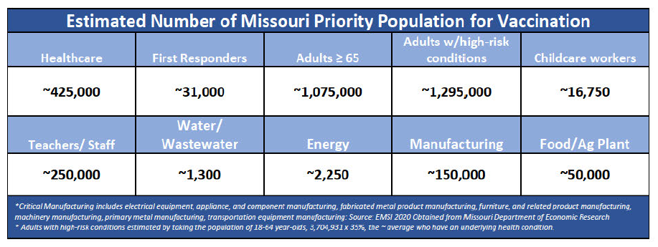
Priority Populations
Phase 1A (MO State Plan - Paid and Unpaid HCW) | Notes
Skilled nursing, long-term care, assisted living, and residential care facility staff
Healthcare workers who self-identify recognized CDC established comorbidities for COVID-19 (starting with inpatient and expanding to outpatient workers) | HCW with asthma, COPD, diabetes, BMI >30, hypertension, CKD, and chronic heart disease.
All remaining patient-facing healthcare workers
Phase 1B (MO State Plan - Critical Infrastructure Workers and Critical Populations)
Public-facing public health workers | Workers who are vital to keeping the essential functions of society running
First responders
Missourians at higher risk for COVID-19 identified by the CDC established comorbidities | Including those who are > 65 years of age
Childcare workers
Teachers/staff
Select state emergency management & emergency public work employees
Drinking water-wastewater facilities
Energy
Critical manufacturing
Food/Ag Plants
Employer-defined "essential employees" | typically applied during weather emergencies
Phase 2 (MO State Plan)
Anyone from phase 1 who did not get vaccinated
Populations at increased risk of acquiring or transmitting COVID-19 (racial and ethnic minority groups, housing-insecure individuals, people living and working in congregated settings, and other at higher risk of severe outcomes)
Staff of manufacturing facilities identified as critical infrastructure or critical to national security
Phase 3 (MO State Plan - Population Wide Vaccination Program)

Administration
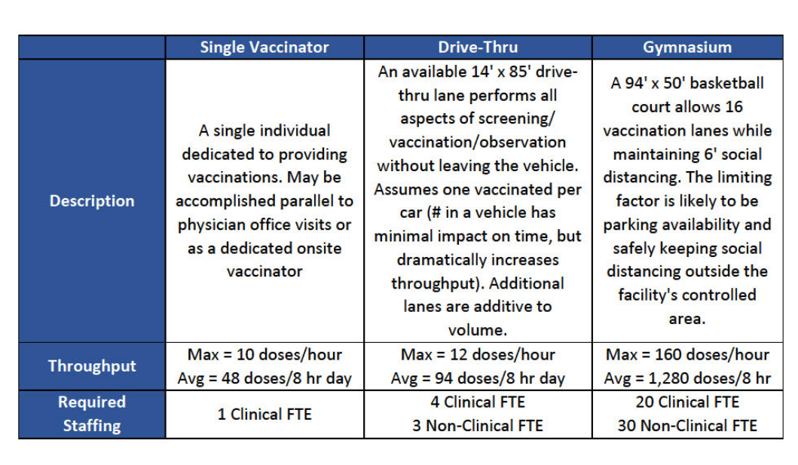
Administration
 | Designee | Notes
Dose Series |  | Second dose must be same manufacturer as first dose
VAMS (app with CDC and deloitte) provider input administration data and would directly submit to ShowmeVAX or showmevax may be used for phase 1 - 3 (TBD by MHA)
Patients allergic to preservatives
Emergency Use Authorization |  | to be given to the recipient or legal guardian prior to administration
Vaccine Information Statement |  | to be given to the recipient or legal guardian prior to administration
Memorandum of agreement |  | Needs legal review

Vaccination Personnel
RN, MA, APRNs
Pharmacists (TMC, UMKC)
Pharmacy interns
Verification of vaccination licensure/credentialing/training |  | *Training program to include: ACIP recs, how to order/receive vaccine, storage and handling requirements, how to administer/reconstitute, use adjuvants, needle size, anatomic sites, how to document and report administration, how to manage inventory, how to report inventory, manage temperature excursions, how to document/report wastage/spoilage, procedures for reporting moderate and severe adverse events and errors, EUA sheets, how to submit facility information for vaccination clinics to CDC *MO website: https://health.mo.gov/living/healthcondiseases/communicable/novel-coronavirus/vaccine.php
Locations
Drive thru huts
TMC clinics? Occ health?
Considerations for closure (i.e. weather/holidays/weekends)
PPE
PPE supply / TMC recs |  | *each kit comes with 105 needles, 105 syringes, 210 alcohol pads, 4 surgical masks and 2 face shields, 100 vaccine record cards

