Instructions
 |  | 
ASPR TRACIE Hospital Disaster Pharmacy Calculator
Purpose | This calculator allows hospitals to estimate whether they have adequate supplies of medications for a disaster in their hospital stock.
Scope | The tool estimates the number of patients that should be planned for based on the size of the emergency department of the hospital and its role in the community. Other factors may be included such as burn beds and potential isolation of the facility for long periods of time. Based on the medication category and type, the calculator compares the amount of medications available to an estimate of that needed for 48 hours per patient and provides an assessment of surplus or deficit in that category (for example, injectable analgesia). This tool was designed to have broad applicability and thus may not meet the needs of all facilities, particularly specialty hospitals (e.g. pediatric centers).
Process | There are three sections to the tool. The hospital enters the facility details in the assessment section. This creates the baseline numbers of patients to be planned for. The targets section will show the total target medications by category (e.g. oral antibiotics) based on the hospital data. The hospital pharmacy enters the amount on hand of the specific medications in the inventory section. The calculator illustrates the difference between the quantities on hand and the estimated preparedness threshold value so that the hospital can determine if additional stocking may be advisable. For further information please see detailed information about each section below. Go to https://asprtracie.hhs.gov/hcc-resources for a list of select HCC resources. For a 508 compliant version of this tool, copy and paste this link into your browser: https://asprtracie.s3.amazonaws.com/documents/aspr-tracie-hospital-disaster-pharmacy-calculator-pdf.pdf. Hospitals are encouraged to modify this tool to reflect their needs. For questions, comments, or assistance with this spreadsheet, contact ASPR TRACIE at asprtracie.hhs.gov or 1-844-5-TRACIE (587-2243).
Suggested Actions/Next Steps | Once the calculations are complete, the hospital can determine reasonable stock levels for the medications in common use to maintain. Hospitals may choose to have stock (par) levels for certain medications significantly in excess of recommended based on their ability to rotate stock. During an ongoing incident or anticipated event (e.g., hurricane, special event planning), the hospital may wish to use the medication list as a quick resource to predict needs based on the incident type and demand and proactively place medication orders (this is separate from an automatic vendor pull discussed below). At the coalition level, the tool may be used to assure a standard level of pharmacy stock for disasters and assure at least a degree of parity of preparedness across the participating facilities. The tool results should also be considered in light of the hospital location relative to their vendor. If the warehouse is within an hour, and the access is not prone to disruption from floods, earthquake, or other disasters, it may not make sense to maintain a full 48 hour inventory if those stock levels cannot be rotated. At the same time, the further a facility is from a vendor, the more consideration that should be given for additional quantities in stock. Finally, the provided medication list can serve as a valuable template to use with the vendor to create a disaster list of medications that can rapidly be pulled by the vendor and delivered to the hospital to replenish and augment supplies when the hospital requests.

Assessment Section | The Assessment tab requires you to enter descriptive variables about your hospital including the number of emergency department (ED) beds, trauma level, and other information. To access it, please click the "Assessments" tab at the bottom of the sheet, next to the "Instructions" tab. Click on gray boxes and add values as appopriate, or select from the dropdown lists using the down arrow on the right side of the cell. Step 1 and 4 require a whole number to be entered, while Step 2, 3, 5, and 6 have dropdown lists that you should use to choose your situation. Once you enter a value, the cell turns from gray to green. |  | 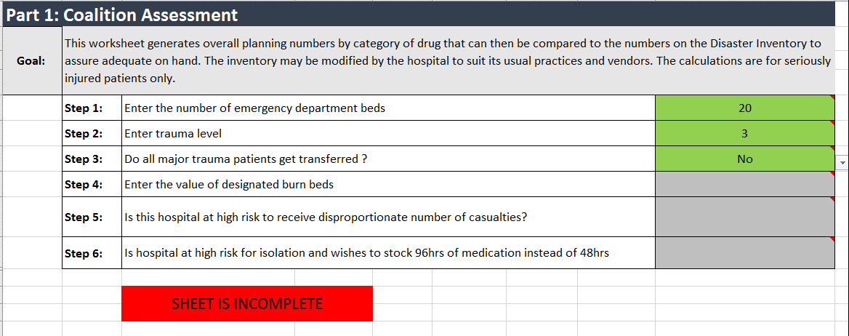

Targets Section | The Targets tab lists the target medication amounts by category. The user does not enter values or change data on this sheet. The calculations are based on the data entered in the assessment section and estimates amount of medication needed per patient over 48 hours. The calculated "Total Target Medication" column contains the total amount in each category that a hospital may wish to have on hand to be reasonably prepared for a disaster. Note that events can always occur that can overwhelm the target values, but this represents an attempt to create a realistic threshold based on size of the facility, risk, role in the community, and risk of isolation of the hospital from re-supply. The "Unit" column contains the units associated with the "Total Target Medication" value.

Inventory Section | The Inventory tab is where the hospital enters the actual values of medications on hand in Column B. For each section, this displays the difference between the inventory on hand and what is recommended. The differences are displayed at the bottom of each subsection. A negative value indicates a deficiency vs. target. A positive value indicates the additional quantify above target on hand.

Instructions
1 | Click on the "Assessment" tab at the bottom of the page.
2 | Fill in the Step 1 through 6 values in Column I, rows 5 through 10.
3 | Click on the "Targets" tab at the bottom of the sheet to review the Target calculations.
4 | Review the values in the "Total Target" column.
5 | If any values appear inconsistent, click the "Assessment" tab to review your entry.
6 | Click on the "Inventory" tab at the bottom of the sheet.
7 | In Cell B1, replace the text "Date Surveyed" with the current date.
8 | Fill in the values from your inventory in Column B.
9 | Review the values in Column D. The "Total" values are the total stock on hand for this drug/category. The "Target" is the target stock on hand from the Target tab. The "Difference" value is the "Total" minus the "Target".
10 | A negative value in the "Difference" cell indicates a deficiency in stock on hand. A positive value indicates a surplus.

